Sheet1
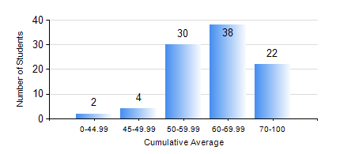
 |  |  | KWAME NKRUMAH UNIVERSITY OF SCIENCE AND TECHNOLOGY, KUMASI Department of Telecommunication Engineering

 |  |  | BSC. TELECOMMUNICATION ENG.

 |  |  | COMPREHENSIVE RECORD OF EXAMINATION RESULTS

 |  |  | RESULTS OF YEAR 3 FIRST SEMESTER, 2021/2022 ACADEMIC YEAR

 | Sn | Course Code |  | Course Name | Credit Hours | Min. Mark | Max. Mark | Avg. Mark | Std. Dev. | No. Passed | No. Trailed | No. (Df) | No. (I) | No. (I*) | No. Tagged(I,I*,Df) | Total
 | 1. | COE 381 |  | MICROPROCESSORS | 3 | 28 | 79 | 68 | 7.24 | 94 | 1 | 0 | 1 | 0 | 1 | 96
 | 2. | EE 371 |  | LINEAR ELECTRONIC CIRCUITS | 3 | 29 | 95 | 64 | 13.41 | 94 | 1 | 0 | 1 | 0 | 1 | 96
 | 3. | MATH 351 |  | NUMERICAL ANALYSIS | 2 | 27 | 83 | 63 | 8.92 | 94 | 1 | 0 | 1 | 0 | 1 | 96
 | 4. | MATH 353 |  | PROBABILTY AND STATISTICS | 2 | 27 | 88 | 61 | 10.17 | 94 | 1 | 0 | 1 | 0 | 1 | 96
 | 5. | TE 291 |  | TELECOMMUNICATIONS LAB I | 2 | 60 | 60 | 60 | 0 | 1 | 0 | 0 | 0 | 0 | 0 | 1
 | 6. | TE 361 |  | INFORMATION THEORY | 2 | 22 | 86 | 58 | 13.57 | 91 | 4 | 0 | 1 | 0 | 1 | 96
 | 7. | TE 381 |  | OPTICAL COMMUNICATIONS | 2 | 0 | 88 | 52 | 18.49 | 81 | 14 | 0 | 1 | 0 | 1 | 96
 | 8. | TE 385 |  | SIGNALS AND SYSTEMS | 2 | 13 | 91 | 55 | 16.05 | 84 | 10 | 0 | 2 | 0 | 2 | 96
 | 9. | TE 391 |  | TELECOMMUNICATIONS LAB III | 2 | 41 | 82 | 74 | 9.63 | 93 | 0 | 2 | 1 | 0 | 3 | 96

